Partial Settlement
PARTIAL SETTLEMENT - ORIGINAL (1 of 3)

Payment Schedule
Date | Defer Date | Total Due | Total Cap | Principal | REC Profit | Charge | Tax | Total Pymt | Outstanding | O/S Principal + Profit
18-Jan-23 |  | 2,000.00 | 0 | 200,000.00 |  | 2,000.00 |  | 200,000.00 | -200,000.00 | -235,967.12
18-Feb-23 |  | 13,109.28 | 0 | 9,427.43 | 3,681.85 |  |  |  | -190,572.57 | -222,857.84
18-Mar-23 |  | 13,109.28 | 0 | 9,940.50 | 3,168.78 |  |  |  | -180,632.07 | -209,748.56
18-Apr-23 |  | 13,109.28 | 0 | 9,783.98 | 3,325.30 |  |  |  | -170,848.09 | -196,639.28 | System Date
18-May-23 |  | 13,109.28 | 0 | 10,065.56 | 3,043.72 |  |  |  | -160,782.53 | -183,530.00 |  | 5 INSTALLMENT | 65,546.40
18-Jun-23 |  | 13,109.28 | 0 | 10,149.40 | 2,959.88 |  |  |  | -150,633.13 | -170,420.72 |  | 5 PROFIT | 12,731.13 | 13,655.58
18-Jul-23 |  | 13,109.28 | 0 | 10,425.70 | 2,683.58 |  |  |  | -140,207.43 | -157,311.44 |  | 5 PRINCIPAL | 52,815.27 | 51,890.82
18-Aug-23 |  | 13,109.28 | 0 | 10,528.17 | 2,581.11 |  |  |  | -129,679.26 | -144,202.16
18-Sep-23 |  | 13,109.28 | 0 | 10,721.99 | 2,387.29 |  |  |  | -118,957.27 | -131,092.88
18-Oct-23 |  | 13,109.28 | 0 | 10,990.01 | 2,119.27 |  |  |  | -107,967.26 | -117,983.60 |  | 5 PRINCIPAL | 52,815.27 | 52,815.27
18-Nov-23 |  | 13,109.28 | 0 | 11,121.69 | 1,987.59 |  |  |  | -96,845.57 | -104,874.32 |  | 5 PROFIT | 12,731.13 | 12,731.13
18-Dec-23 |  | 13,109.28 | 0 | 11,383.94 | 1,725.34 |  |  |  | -85,461.63 | -91,765.04 |  | 5 INSTALLMENT | 65,546.40 | 65,546.40 | Transaction Amount
18-Jan-24 |  | 13,109.28 | 0 | 11,536.00 | 1,573.28 |  |  |  | -73,925.63 | -78,655.76
18-Feb-24 |  | 13,109.28 | 0 | 11,748.37 | 1,360.91 |  |  |  | -62,177.26 | -65,546.48
18-Mar-24 |  | 13,109.28 | 0 | 12,038.49 | 1,070.79 |  |  |  | -50,138.77 | -52,437.20
18-Apr-24 |  | 13,109.28 | 0 | 12,186.26 | 923.02 |  |  |  | -37,952.51 | -39,327.92
18-May-24 |  | 13,109.28 | 0 | 12,433.14 | 676.14 |  |  |  | -25,519.37 | -26,218.64
18-Jun-24 |  | 13,109.28 | 0 | 12,639.49 | 469.79 |  |  |  | -12,879.88 | -13,109.36
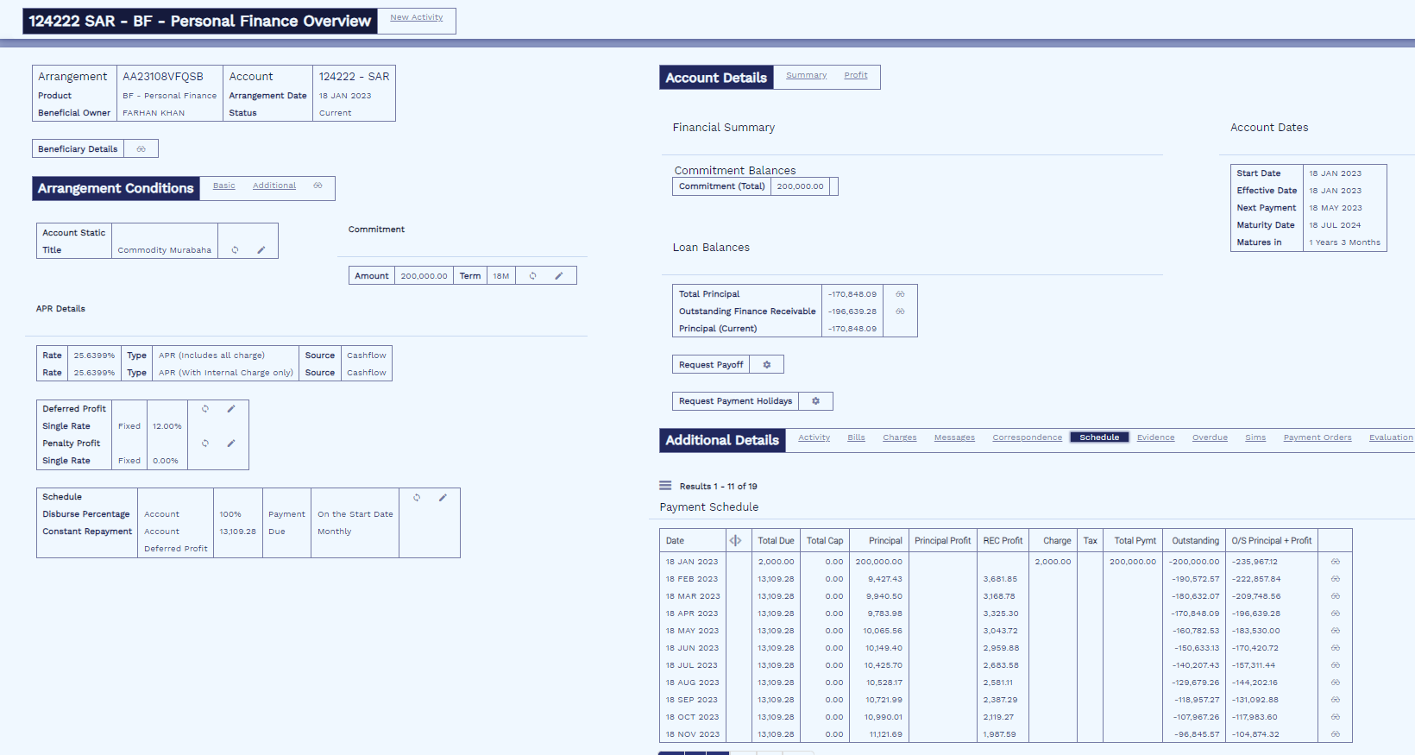
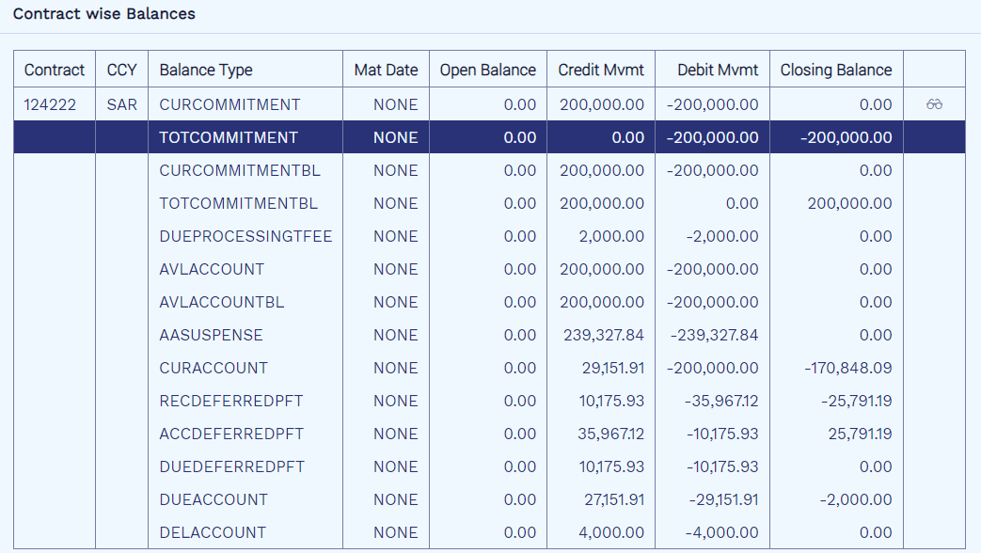
18-Jul-24 |  | 13,109.36 | 0 | 12,879.88 | 229.48 |  |  |  | 0 | 0
 |  |  |  | 200,000.00 | 35,967.12

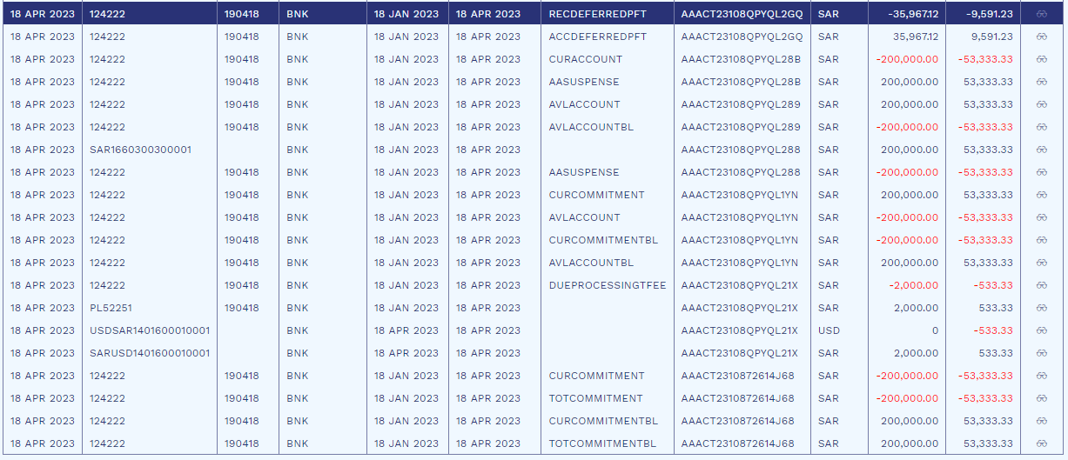

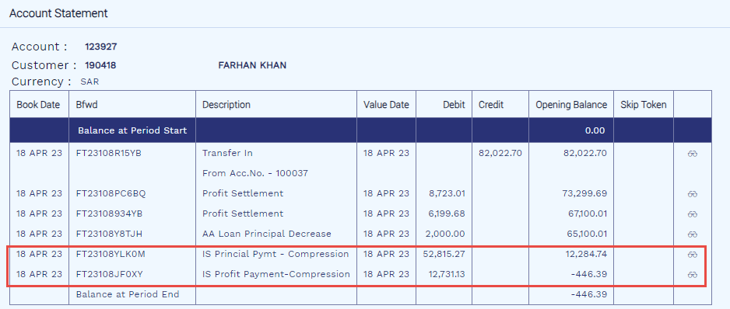
After 5 Inst. Compression As Advance Installment (2 of 3)
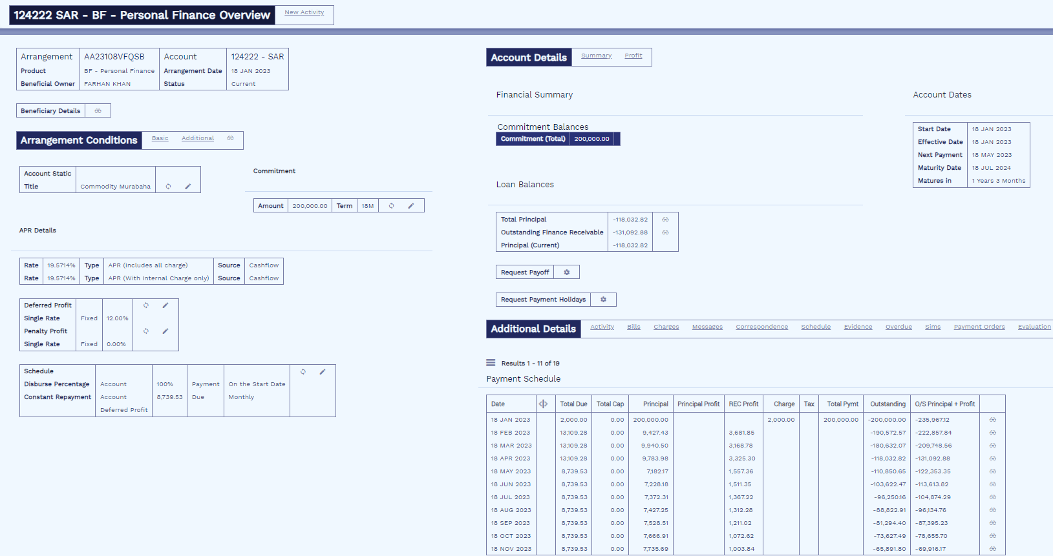
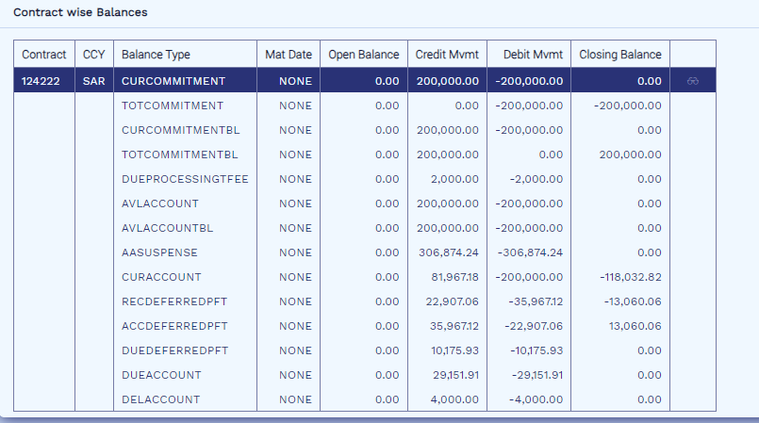

Payment Schedule
Date | Defer Date | Total Due | Total Cap | Principal | REC Profit | Charge | Tax | Total Pymt | Outstanding | O/S Principal + Profit
18-Jan-23 |  | 2,000.00 | 0 | 200,000.00 |  | 2,000.00 |  | 200,000.00 | -200,000.00 | -235,967.12
18-Feb-23 |  | 13,109.28 | 0 | 9,427.43 | 3,681.85 |  |  |  | -190,572.57 | -222,857.84
18-Mar-23 |  | 13,109.28 | 0 | 9,940.50 | 3,168.78 |  |  |  | -180,632.07 | -209,748.56
18-Apr-23 |  | 13,109.28 | 0 | 9,783.98 | 3,325.30 |  |  |  | -118,032.82 | -131,092.88
18-May-23 |  | 8,739.53 | 0 | 7,182.17 | 1,557.36 |  |  |  | -110,850.65 | -122,353.35
18-Jun-23 |  | 8,739.53 | 0 | 7,228.18 | 1,511.35 |  |  |  | -103,622.47 | -113,613.82
18-Jul-23 |  | 8,739.53 | 0 | 7,372.31 | 1,367.22 |  |  |  | -96,250.16 | -104,874.29
18-Aug-23 |  | 8,739.53 | 0 | 7,427.25 | 1,312.28 |  |  |  | -88,822.91 | -96,134.76
18-Sep-23 |  | 8,739.53 | 0 | 7,528.51 | 1,211.02 |  |  |  | -81,294.40 | -87,395.23
18-Oct-23 |  | 8,739.53 | 0 | 7,666.91 | 1,072.62 |  |  |  | -73,627.49 | -78,655.70
18-Nov-23 |  | 8,739.53 | 0 | 7,735.69 | 1,003.84 |  |  |  | -65,891.80 | -69,916.17
18-Dec-23 |  | 8,739.53 | 0 | 7,870.13 | 869.4 |  |  |  | -58,021.67 | -61,176.64
18-Jan-24 |  | 8,739.53 | 0 | 7,948.46 | 791.07 |  |  |  | -50,073.21 | -52,437.11
18-Feb-24 |  | 8,739.53 | 0 | 8,056.83 | 682.7 |  |  |  | -42,016.38 | -43,697.58
18-Mar-24 |  | 8,739.53 | 0 | 8,203.63 | 535.9 |  |  |  | -33,812.75 | -34,958.05
18-Apr-24 |  | 8,739.53 | 0 | 8,278.52 | 461.01 |  |  |  | -25,534.23 | -26,218.52
18-May-24 |  | 8,739.53 | 0 | 8,402.62 | 336.91 |  |  |  | -17,131.61 | -17,478.99
18-Jun-24 |  | 8,739.53 | 0 | 8,505.96 | 233.57 |  |  |  | -8,625.65 | -8,739.46
18-Jul-24 |  | 8,739.46 | 0 | 8,625.65 | 113.81 |  |  |  | 0 | 0
 |  |  |  |  | 23,235.99 |  | 25791.19
 |  |  |  |  | 0.00 |  | 13060.06
 |  |  |  |  | -23,235.99 |  | -12,731.13

 |  |  |  |  | Credit |  |  | Findings
Unearned Profit |  | ACCDEFERREDPFT |  |  |  |  |  | Profit reduced by recovered amount in Payment Schedule.
Profit |  | PL |  |  | 12,731.13 |  |  | Installment amount recalculated keeping the tenor of deal intact.
 |  |  |  |  |  |  |  | Recovered profit immediately taken into PL.
Arrangement Int. A/c. |  | AA SUSPENSE |  |  |  |  |  | Profit & Principal being recorded with recovered amount as per stated entries
Receivable Profit |  | RECDEFERREDPFT |  |  | 12,731.13
 |  |  |  |  |  |  |  | Challenge
Customer A/c. |  | SETTLEMENT A/C. |  |  |  |  |  | APR recalculated on revised payment schedule not considering partial payment amount.
Arrangement Int. A/c. |  | AA SUSPENSE |  |  | 12,731.13 |  |  | No reflection of partial payment on schedule

Arrangement Int. A/c. |  | AA SUSPENSE
Prinaicpal |  | CURACCOUNT |  |  | 52,815.27

Customer A/c. |  | SETTLEMENT A/C.
Arrangement Int. A/c. |  | AA SUSPENSE |  |  | 52,815.27

For Financial Institution
 |  |  |  |  | Credit
Unearned Profit |  | ACCDEFERREDPFT
Profit |  | PL |  |  | 12,731.13

Arrangement Int. A/c. |  | AA SUSPENSE
Receivable Profit |  | RECDEFERREDPFT |  |  | 12,731.13

Customer A/c. |  | SETTLEMENT A/C.
Arrangement Int. A/c. |  | AA SUSPENSE |  |  | 12,731.13

Arrangement Int. A/c. |  | AA SUSPENSE
Prinaicpal |  | CURACCOUNT |  |  | 52,815.27

Customer A/c. |  | SETTLEMENT A/C.
Arrangement Int. A/c. |  | AA SUSPENSE |  |  | 52,815.27

After Maturity Decrease 5 Months (3 of 3)

Payment Schedule
Date | Defer Date | Total Due | Total Cap | Principal | REC Profit | Charge | Tax | Total Pymt | Outstanding | O/S Principal + Profit
18-Jan-23 |  | 2,000.00 | 0 | 200,000.00 |  | 2,000.00 |  | 200,000.00 | -200,000.00 | -235,967.12
18-Feb-23 |  | 13,109.28 | 0 | 9,427.43 | 3,681.85 |  |  |  | -190,572.57 | -222,857.84
18-Mar-23 |  | 13,109.28 | 0 | 9,940.50 | 3,168.78 |  |  |  | -180,632.07 | -209,748.56
18-Apr-23 |  | 13,109.28 | 0 | 9,783.98 | 3,325.30 |  |  |  | -118,032.82 | -131,092.88
18-May-23 |  | 13,109.29 | 0 | 10,841.35 | 2,267.94 |  |  |  | -107,191.47 | -117,983.59
18-Jun-23 |  | 13,109.29 | 0 | 10,981.00 | 2,128.29 |  |  |  | -96,210.47 | -104,874.30
18-Jul-23 |  | 13,109.29 | 0 | 11,260.65 | 1,848.64 |  |  |  | -84,949.82 | -91,765.01
18-Aug-23 |  | 13,109.29 | 0 | 11,422.61 | 1,686.68 |  |  |  | -73,527.21 | -78,655.72
18-Sep-23 |  | 13,109.29 | 0 | 11,649.41 | 1,459.88 |  |  |  | -61,877.80 | -65,546.43
18-Oct-23 |  | 13,109.29 | 0 | 11,920.34 | 1,188.95 |  |  |  | -49,957.46 | -52,437.14
18-Nov-23 |  | 13,109.29 | 0 | 12,117.38 | 991.91 |  |  |  | -37,840.08 | -39,327.85
18-Dec-23 |  | 13,109.29 | 0 | 12,382.21 | 727.08 |  |  |  | -25,457.87 | -26,218.56
18-Jan-24 |  | 13,109.29 | 0 | 12,603.82 | 505.47 |  |  |  | -12,854.05 | -13,109.27
18-Feb-24 |  | 13,109.27 | 0 | 12,854.05 | 255.22 |  |  |  | 0 | 0
 |  |  |  |  | 23,235.99

APR with Flat Rate
Simulation Details
System Date | 1-Feb-24
Amount | 200,000 | Profit Start Date | 3-Feb-24
Flat Rate | 12.00% | Total Profit | 23,671.23
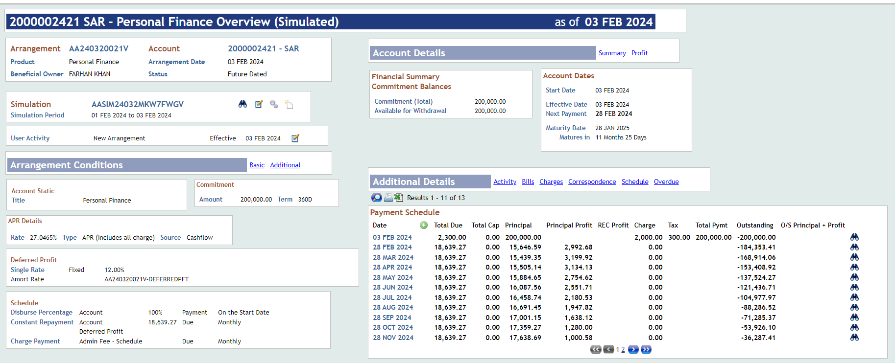
Term | 1Y | Instalment Amount | 18,639.27
1st Instalment Date | 28-Feb-24 | APR | 27.0465%
Last Intalment Date | 28-Jan-25 | IRR | 21.85%
Simulation Reference | AASIM24032MKW7FWGV | # on Accrual Days | 360 | Arrangement

Date | Defer Date | Total Due | Total Cap | Principal | Principal Profit | REC Profit | Charge | Tax | Total Pymt | Outstanding
3-Feb-24 |  | 2,300.00 | 0 | 200,000.00 |  |  | 2,000.00 | 300 | 200,000.00 | -200,000.00
28-Feb-24 | 25 | 18,639.27 | 0 | 15,646.59 | 2,992.68 | 21.85% | 0 |  |  | -184,353.41
28-Mar-24 | 29 | 18,639.27 | 0 | 15,439.35 | 3,199.92 | 21.85% | 0 |  |  | -168,914.06
28-Apr-24 | 31 | 18,639.27 | 0 | 15,505.14 | 3,134.13 | 21.85% | 0 |  |  | -153,408.92
28-May-24 | 30 | 18,639.27 | 0 | 15,884.65 | 2,754.62 | 21.85% | 0 |  |  | -137,524.27
28-Jun-24 | 31 | 18,639.27 | 0 | 16,087.56 | 2,551.71 | 21.85% | 0 |  |  | -121,436.71
28-Jul-24 | 30 | 18,639.27 | 0 | 16,458.74 | 2,180.53 | 21.85% | 0 |  |  | -104,977.97
28-Aug-24 | 31 | 18,639.27 | 0 | 16,691.45 | 1,947.82 | 21.85% | 0 |  |  | -88,286.52
28-Sep-24 | 31 | 18,639.27 | 0 | 17,001.15 | 1,638.12 | 21.85% | 0 |  |  | -71,285.37
28-Oct-24 | 30 | 18,639.27 | 0 | 17,359.27 | 1,280.00 | 21.85% | 0 |  |  | -53,926.10
28-Nov-24 | 31 | 18,639.27 | 0 | 17,638.69 | 1,000.58 | 21.85% | 0 |  |  | -36,287.41
28-Dec-24 | 30 | 18,639.27 | 0 | 17,987.69 | 651.58 | 21.85% | 0 |  |  | -18,299.72
28-Jan-25 | 31 | 18,639.26 | 0 | 18,299.72 | 339.54 | 21.85% | 0 |  |  | 0
 |  |  |  | 200,000.00 | 23,671.23 |  | 2,000.00 | 300.00

Arrangement Details
System Date | 1-Feb-24
Amount | 200,000 | Profit Start Date | 1-Feb-24
Flat Rate | 11.93% | Total Profit | 23,671.23
Term | 1Y | Instalment Amount | 18,639.27
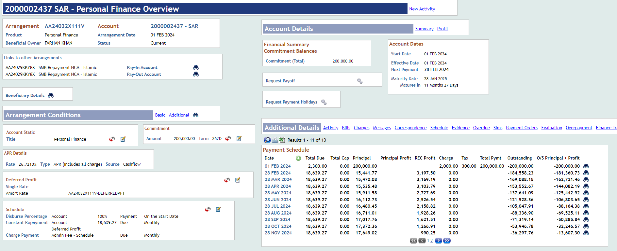
1st Instalment Date | 28-Feb-24 | APR | 26.7210%
Last Intalment Date | 28-Jan-25 | IRR | 21.61%
Arrangement Reference | AA24032X111V | # on Accrual Days | 362 |  | AASIM24032TC0MXHSX

Date | Defer Date | Total Due | Total Cap | Principal | Principal Profit | REC Profit | Charge | Tax | Total Pymt | Outstanding
1-Feb-24 |  | 2,300.00 | 0 | 200,000.00 |  |  | 2,000.00 | 300 | 200,000.00 | -200,000.00
28-Feb-24 | 27 | 18,639.27 | 0 | 15,441.77 | 21.61% | 3,197.50 | 0 |  |  | -184,558.23
28-Mar-24 | 29 | 18,639.27 | 0 | 15,470.08 | 21.61% | 3,169.19 | 0 |  |  | -169,088.15
28-Apr-24 | 31 | 18,639.27 | 0 | 15,535.48 | 21.61% | 3,103.79 | 0 |  |  | -153,552.67
28-May-24 | 30 | 18,639.27 | 0 | 15,911.58 | 21.61% | 2,727.69 | 0 |  |  | -137,641.09
28-Jun-24 | 31 | 18,639.27 | 0 | 16,112.73 | 21.61% | 2,526.54 | 0 |  |  | -121,528.36
28-Jul-24 | 30 | 18,639.27 | 0 | 16,480.45 | 21.61% | 2,158.82 | 0 |  |  | -105,047.91
28-Aug-24 | 31 | 18,639.27 | 0 | 16,711.01 | 21.61% | 1,928.26 | 0 |  |  | -88,336.90
28-Sep-24 | 31 | 18,639.27 | 0 | 17,017.76 | 21.61% | 1,621.51 | 0 |  |  | -71,319.14
28-Oct-24 | 30 | 18,639.27 | 0 | 17,372.36 | 21.61% | 1,266.91 | 0 |  |  | -53,946.78
28-Nov-24 | 31 | 18,639.27 | 0 | 17,649.02 | 21.61% | 990.25 | 0 |  |  | -36,297.76
28-Dec-24 | 30 | 18,639.27 | 0 | 17,994.48 | 21.61% | 644.79 | 0 |  |  | -18,303.28
28-Jan-25 | 31 | 18,639.26 | 0 | 18,303.28 | 21.61% | 335.98 | 0 |  |  | 0
 | 362 |  |  | 200,000.00 |  | 23,671.23

Variance Analysis | Offer Letter | Finance Arrangement | Difference
Profit Start Date | 3-Feb-24 | 1-Feb-24
Profit Amount | 23,671.23 | 23,671.23 | -
IRR | 21.85% | 21.61% | -0.23%
APR | 27.0465% | 26.7210% | -0.33%
Flat Rate | 12.00% | 11.93% | -0.07%

VAT e-Invoice Temp
